# tanks in series
Spreadsheet to calculate # of tanks in series according to tank geometry, flow and aeration
 |  |  |  |  |  |  |  |  |  | Input values
 |  |  |  |  |  |  |  |  |  | Intermediate results from different methods
References: |  |  |  |  |  |  |  |  |  | Number of tanks in series according to Fujie et al.
Fujie, K., Sekizawa, T., Kubota, H. (1983). Liquid mixing in activated sludge aeration tank. J. Ferment. Technol. 61(3), 295–304.
WRc formula: B Chambers, B. and Jones, G.L. (1988). Optimisation and uprating of activated sludge plants by efficient process design. Wat. Sci. Technol. 20(4-5), 121-132. |  |  |  |  |  |  |  |  |  |  |  |  |  |  |  |  |  |  |  |  | fine
 |  |  |  |  | Figure 1 |  |  |  |  |  |  |  |  |  |  |  |  |  |  |  | coarse
 | Lane Dimensions |  |  |  |  | Example with 5 one-pass lanes, each with one unaerated and 3 aerated zones
a. | Number of lanes | 5
18
b. | Volume per lane | 5190 | m3
c. | Total lane width | 9 | m
17
Anoxic
d. | Total lane length | 125.36 | m
e. | Reactor Surface Area | 1128.26 | m2
16
Anoxic
f | Reactor Depth | 4.6 | m
 | Aeration Zone Dimensions
15
Anoxic
g. | Number of passes per lane | 1
h. | Anoxic Zone Volume | 1730 | m3
14
Anoxic
i. | Anoxic Volume Fraction of total | 33%
PE
j. | Anoxic Zone Length | 41.8 | m
13
IR
Zone C
Zone B
Zone A
Anoxic
RAS
k. | Aerobic Length | 83.6 | m
l. | Volume of Aerobic Reactor | 3460
m. | Number of Aerobic Zones | 3
Zone (h.)
Lane (a.)
& Pass (g.)
n. | Volume per aerobic zone | 1153 | m3
o. | Zone Surface Area | 250.72 | m2
p. | Zone Width | 9 | m |  |  |  |  |  |  | Layout Sketch (with naming conventions)
q. | Zone Length | 27.9 | m
 | Overall Dimensions |  |  |  | Table 1
r. | Total Volume | 25950 | m3 |  | Airflows by Zone (example)
s. | Total Surface Area | 5641.3043478 | m2 |  | Zone | 13A | 13B | 13C | 14A | 14B | 14C | 15A | 15B | 15C | 16A | 16B | 16C | 17A | 17B | 17C
 |  |  |  |  | m3/hr | 6010 | 1258 | 525 | 4712 | 1322 | 470 | 2860 | 1357 | 752 | 3927 | 725 | 681 | 3193 | 1420 | 2338
 | Liquid Flows |  |  |  | # diffuser per zone | 420 | 340 | 216 | 420 | 340 | 216 | 420 | 340 | 216 | 420 | 340 | 216 | 420 | 340 | 216
 | Total flow to plant | 122 | MLD |  | Diffuser surface | 0.0927 | m2
 | Percentage Flow to part of plant analyzed | 60%
 | Flow to part of plant analyzed | 73.2 | MLD
 | Flow to one lane | 14.64 | MLD
 | RAS Flow ratio (QRAS/QInf) | 0.85 | -
 | Internal Recycle (IR) (QIR/QInf) | 3 | -
 | Actual Flow through pass | 71.0 | MLD
 |  | 0.82 | m3/s

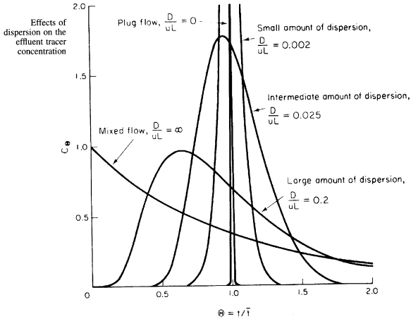
 |  |  |  |  |  |  | Figure 2
 | Number of Tanks in Series in Aeration Zones
 |  |  | Zone A | Zone B | Zone C
 | Estimate of Tanks in Series Using Fujie Formula
 | Average Airflow per zone | m3/hr | 4140 | 1216 | 953
 | Superficial Gas Velocity, ug | m/hr | 16.51 | 4.85 | 3.80
 |  | cm/s | 0.459 | 0.135 | 0.106
 | Diffuser height above bottom | m | 0.33 | 0.33 | 0.33
 | Depth | m | 4.27 | 4.27 | 4.27
 | F (check for Fujie Formula) | cm2/s | 150.9 | 44.3 | 34.7
 | Diffuser Type |  | fine | fine | fine
 | Fujie Coefficients, md |  | 0.46 | 0.46 | 0.46
 | ad |  | 12 | 12 | 12
 | EL(also termed "D" in Peclet Number) | cm2/s | 1554 | 1342 | 1303
 |  | m2/h | 560 | 483 | 469
 | Average liquid volucity, u | m/s | 0.020 | 0.020 | 0.020
 |  | m/h | 71.5 | 71.5 | 71.5
 | EL/uL = D/uL (inverse Peclet number, see Figure 2) |  | 0.28 | 0.24 | 0.24
 | Peclet Number, Pe |  | 3.56 | 4.12 | 4.24
 | Fujie formula: Number of Tanks per zone, N |  | 2.4 | 2.7 | 2.8
 | N = Pe2/2(Pe-1+e-Pe)
 | Length to width ratio |  | 3.1 | 3.1 | 3.1
 | WRc formula, estimate of number of tanks |  | 4.1 | 4.1 | 4.1

 | Selected Number of Tanks per zone (Fujie) |  | 2 | 2 | 2

