UASB reactor design
Software UASB Étsus - v1.0

Hydraulicpre-sizing of UASB reactors

Anaerobic reactors for sewage treatment: design, construction, and operation - Supplementary material
Spreadsheet developed by Chernicharo, C.A.L.; Bressani-Ribeiro, T.; Lobato, L.C.S and Brandt, E.M.F.

Please refer to the following chapters:
Chapter 4 for UASB reactor design criteria
Chapters 4 and 6 for sludge and scum handling facility design
Chapter 8 and 12 for biogas recovery facility design
Chapter 9 for odour control facility design
Chapter 10 and 11 for post-treatment systems design

Legend:
 | Independent cells (values should be selected to fill out these cells)
 | Dependent cells
 | Review value (special attention to the ranges associated with cells highlighted in light grey)

Input data - Flow rate determination |  |  |  | Remarks

Population equivalent (PE) - inhab. |  | 20000
Infiltration coeficient (Cinf) - L/s.km |  | 0.10
Sewerage density (Dsewers) - m/hab |  | 2
Per capita flow - L/PE.d |  | 150
Average flow (Qav) - m³/h |  | 139.4
Coefficient of the day of maximum water consumption (k1) |  | 1.20 |  | This approach can be changed by assuming dry wheather flow (DWF) conditions.
Coefficient of the hour of maximum water consumption (k2) |  | 1.50
Maximum daily flow (Qmax-d) - m³/h |  | 164.4
Maximum hourly flow (Qmax-h) - m³/h |  | 239.4

Input data - Influent characterisation |  |  |  |  |  | Remarks

BOD per capita - g/PE.d |  |  |  | 55
COD per capita - g/PE.d |  |  |  | 100
TSS per capita - g/PE.d |  |  |  | 60
[BOD] mg/L |  |  |  | 329
[COD] mg/L |  |  |  | 598
[TSS] mg/L |  |  |  | 359
Average temperature - °C |  |  |  | 20
Methane yield (YCH4) - NLCH4/kgCODremov |  |  |  | 130 |  | See Chapter 8

Hydraulic design
 |  |  |  |  |  |  | Qav | Qmax-h | Remarks

1) Hydraulic retention time (HRT) adopted - h |  |  |  |  |  |  | 8.5 |  | See Table 4.3 (Chapter 4)

2) Total UASB reactor volume (Vt) - m³ |  |  |  |  |  |  | 1185

3) Number of UASB reactor modules (Nr) |  |  |  |  |  |  | 4

4) Useful volume of each UASB reactor module (Vr) - m³ |  |  |  |  |  |  | 296

5) Useful depth of the UASB reactor (Hu) - m |  |  |  |  |  |  | 4.7 |  |  | See Table 4.3 (Chapter 4)

6) Area of each UASB reactor module (Ar) - m² |  |  |  |  |  |  | 63

7) Dimensions of each UASB reactor module based on the available GLS separator (Étsus 1000) dimensions
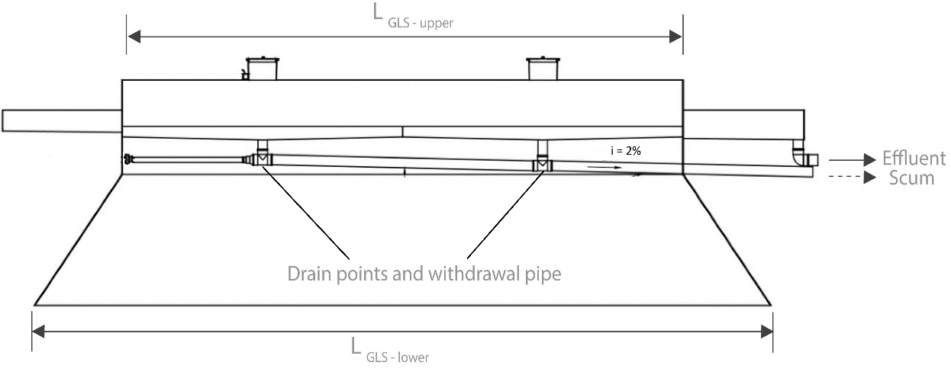
GLS separator Étsus 100 - Figure 4.13b (Chapter 4)
L_{GLS-upper}
L_{GLS-lower}
Drain points and withdrawal pipe
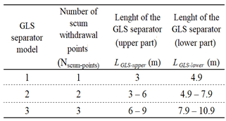

 |  |  |  |  |  |  | TRUE
 |  |  |  |  |  |  | FALSE
 |  |  |  |  |  |  | TRUE

7.1) | Length of each UASB reactor module (LUASB) - m |  |  |  |  |  | 9.0 |  | Preferably a multiple of 3 m, because of the GLS separator (Étsus 1000) standard dimension.
7.2) | Number of GLS separators (Étsus 1000) (NGLS) |  |  |  |  |  | 3
7.3) | Required UASB reactor module width - m |  |  |  |  |  | 7.0 |  | The standardised width of the GLS separator Étsus 1000 is equal to 3.0 m (2*GLSW+GLSaperture+Wgashood). See Example 4.2 (Chapter 4). Such standardised width is also equal to the centre-to-centre distance between two modular GLS separators.
7.4) | GLS separator (Étsus 1000) model selection |  | Length of the upper GLS separator part (LGLS-upper) - m
 |  |  | GLS model 1 | GLS model 2 | GLS model 3

 | Length of the upper GLS separator part (LGLS-upper) - m |  | FALSE | FALSE | FALSE |  | 4.5
 | Length of the lower GLS separator part (LGLS-lower) - m |  |  | FALSE | FALSE |  | 6.4
7.5) | Width for the aperture between the GLS separator and the UASB reactor wall (Waperture-wall) - m |  |  | TRUE | FALSE |  | 0.40
7.6) | Resulting UASB reactor module width - m |  |  | FALSE | FALSE |  | 7.2 |  |  | This value should be equal or greater than the required UASB reactor module width (see cell H72).
 |  |  |  | FALSE | FALSE
7.7) | Verification of the corrected area and volume of each UASB reactor module |  |  | FALSE | FALSE |  |  |  |  | See Figure 4.19 (Chapter 4)
 | Area (Ar) - m² |  |  |  |  |  | 65
 | Useful volume (Vr) - m³ |  |  |  |  |  | 305

7.8) | Verification of the corrected hydraulic retention time (HRT) - h |  |  |  |  |  | 8.7 |  | In case the resulting HRT is greater than the design HRT (5% or more), the following variables can be managed to obtain different UASB reactor configurations: Hu, LUASB (as long as it is a multiple of 3.0 m), Waperture-wall (usually between 0.30 and 0.40 m) and the design HRT itself.
7.9) | Verification of the upflow velocities (v) - m/h |  |  |  |  |  | 0.5 | 0.9 |  | 0.5-0.7 m/h for Qav; < 1.1 m/h for Qmax-h

7.10) | Verification of the velocities through the apertures to the settler compartment
 | Total number of adopted GLS separators (Étsus 1000) |  |  |  |  |  | 12
 | Total number of apertures between GLS separators (NapertureGLS-GLS) |  |  |  |  |  | 8
 | Total number of apertures between the GLS separator and the reactor wall (NapertureGLS-wall) |  |  |  |  |  | 8
 | Adopted width for the aperture between two contiguous GLS separators (GLSaperture) - m |  |  |  |  |  | 0.7 |  |  | See Example 4.2 (Chapter 4)
 | Width for the aperture between the GLS separator and the UASB reactor wall (Waperture-wall) - m |  |  |  |  |  | 0.4
 | Length of each aperture (Laperture) - m |  |  |  |  |  | 7.2 |  | Along the width of the reactor - see Figure 4.19 (Chapter 4)
 | Total area of the apertures - m² |  |  |  |  |  | 63.36

 | Velocities through the apertures (va) - m/h |  |  |  |  |  | 2.2 | 3.8 |  | < 2.0-2.3m/h for Qav; < 4.0-4.2 m/h for Qmax-h

7.11) | Verification of the surface loading rates on the settler compartment
 | Number of settler compartments of each module (Nsettler) |  |  |  |  |  | 12
 | Length of each settler (the same of LGLS-lower) - m |  |  |  |  |  | 6.4
 | Total length of the settlers (Ltsettlers) - m |  |  |  |  |  | 77
 | Width of each GLS separator gas hood (Wgashood) - m |  |  |  |  |  | 0.4 |  |  | See Example 4.2 (Chapter 4)
 | Useful width of each settler compartment (Wsettler) - m |  |  |  |  |  | 2.6
 | Total area of the settlers (Asettler) - m² |  |  |  |  |  | 199.7
 | Surface loading rates on the settler compartment - m/h |  |  |  |  |  | 0.7 | 1.2 |  | 0.6-0.8 m/h for Qav; < 1.2 m/h for Qmax-h

7.12) | Verification of the HRT on the settler compartment
 | Adopted depth for the inclined GLS separator wall (GLSH) - m |  |  |  |  |  | 1.30 |  |  | See Example 4.2 (Chapter 4)
 | Adopted depth for the vertical GLS separator wall (GLSV) - m |  |  |  |  |  | 0.40
 | Adopted slope for the inclined GLS separator wall (GLSS) - ° |  |  |  |  |  | 53.8
 | Width of the inclined GLS separator wall (GLSW) - m |  |  |  |  |  | 0.95
 | Adopted width for the aperture between two contiguous GLS separators (GLSaperture) - m |  |  |  |  |  | 0.70
 | Triangular area; between the inclined walls of the GLS settler (Asettler1) - m² |  |  |  |  |  | 0.62 |  |  | See Figure 4.14 (Chapter 4)
 | Rectangular area; between the triangular areas (Asettler2) - m² |  |  |  |  |  | 0.91
 | Rectangular area; between the vertical walls of the GLS settler (Asettler3) - m² |  |  |  |  |  | 1.04
 | Total area along the settler compartment depth (Asettler) - m² |  |  |  |  |  | 3.2
 | Total volume of the settler compartment (Vsettler) - m³ |  |  |  |  |  | 271.4
 | HRT of the settler compartment (HRTsettler) - h |  |  |  |  |  | 1.9 | 1.1 |  | ≥ 1.5-2.0 h for Qav; ≥ 1.0 h for Qmax-h

7.13) | Determination of the influent distribution system
 | Influence area of each distributor (Ad) - m² |  |  |  |  |  | 2.25 |  |  | 2.0-3.0 m2/feed point
 | Number of distributors (Nd) |  |  |  |  |  | 29
 | Adopted Nd |  |  |  |  |  | 60
 | Corrected Ad - m² |  |  |  |  |  | 1.08

8) Estimation of the COD removal efficiency - % |  |  |  |  |  |  | 65 |  |  | See section 4.5 (Chapter 4)

9) Estimation of the BOD removal efficiency - % |  |  |  |  |  |  | 73 |  |  | See section 4.5 (Chapter 4)

10) Estimation of the effluent COD and BOD concentrations - mg/L
 | Estimated effluent COD concentratrion |  |  |  |  |  | 209
 | Estimated effluent BOD concentratrion |  |  |  |  |  | 90

11) Estimation of the biogas flow rate (Qg)
 | Estimation of the organic load removed (OLremov) - kgCODremov/d |  |  |  |  |  | 1600 |  |  | See example 2 (Chapter 8): COD removal efficiency (in terms of filtered COD) = 80%
 | Estimation of the daily methane production (QCH4) - m³CH4/d |  |  |  |  |  | 208
 | Estimation of the biogas flow rate (Qg) - adopting a methane content of 75% |  |  |  |  |  | 277.3 |  |  | See Chapter 8

12) Verification of the biogas release rate (Kg) in the GLS gashood
 | Total length of the gas collector (Lgascollector) - m |  |  |  |  |  | 54
 | Adopted free space between the scum removal channel and the GLS separator wall (Wfree) - m |  |  |  |  |  | 0.25 |  |  | See Example 4.2 (Chapter 4)
 | Total area of the gas collectors (Agascollector) - m² |  |  |  |  |  | 13.5
 | Biogas release rate in the gas collectors (Kg) - m³/m².h |  |  |  |  |  | 0.9 |  | The methane yield used to estimate biogas production considers losses of methane, such as leaks and dissolution in the liquid effluent (see Chapter 8). Therefore, it is difficult to meet the minimum biogas release rate (see Table 4.11 - Chapter 4).

13) Determination of the biogas piping diametre
 | Adopted velocity (vgas) - m/s |  |  |  |  |  | 2.0
 | Pipe diameter (Dgas) - mm |  |  |  |  |  | 11
 | Adopted diameter (Dgas) - mm |  |  |  |  |  | 50 |  |  | Minimum diameter of 50 mm (see section 4.4.8 - Chapter 4)

Some per capita indicators

UASB reactor area - m²/inhab. |  |  |  |  |  |  | 0.01
UASB reactor volume - L/inhab. |  |  |  |  |  |  | 59
Unitary methane yield - NLCH4/PE.d |  |  |  |  |  |  | 10.4

